jEdit2
Group members: | Maryam Partovi, Suelin Gung
Software system:
 | jEdit, Change Request #2
Modified classes:
 | org\gjt\sp\jedit\textarea\TextArea.java, org\gjt\sp\jedit\jedit_gui.props, org\gjt\sp\jedit\jedit_keys.props, org\gjt\sp\jedit\actions.xml
Time spent on this change request: | 360 minutes
Initiation | 30 min
Concept location | 140 min
Impact analysis | 120 min
Actualization | 40 min
Testing | 30 min

Process followed to implement the Change Request:
Initiation | 1. Look into jEdit documentation and readme

Concept location | Search for Edit Menu in whole project. Search for Lable of Edit menu options Navigate to and explore "jedit_gui.props" Search for shortcut in whole project Navigate to and explore jedit_keys.props search for actions of Edit menu options Navigate to and explore "actions.xml" explore "TextArea" class to find scrollbars hide/show methods Search for how to visible and invisible "JScrollBar".

Impact analysis | 1-Marked the TextArea class as impacted, because the scrollbars are belong to this class 2-Marked the actions.xml as impacted, because it is included visible/ invisible method for scrollbars 3-Marked the jedit_gui.props as impacted, because all properties of options in menu are defined in this property file. F.g. lable, icon and it uses to disply the option in menu.

Actualization | Modified class TextArea: - Added hideShowScrollbars() method Modified actions.xml: - Added action hide/show-scrollbars Modified jedit_gui.props : - Added hideshows-scrollbars menu item - Added hideshows-scrollbars.label - Added hideshows-scrollbars.title Modified jedit_keys.props : - Added hideshows-scrollbars.shortcut

Testing | 1.Run the app to verify Hide/Show Scrollbars option in Edit menu. 2.Click on Hide/Show Scrollbars option to verify the scrollbars will be hidden if they are shown 3.Click on Hide/Show Scrollbars option to verify the scrollbars will be shown if they are hidden | ran testcase #1 - pass ran testcase #2 - pass ran testcase #3 - pass
Additional information:
This change request requires implementing an option in the Edit menu which, when clicked, allows hiding the scrollbars. Two classes are modifiedin to satisfy this change request: TexArea and JEditTextArea classes are marked as impacted. Actions hide and show are added to scroll bar operations. | 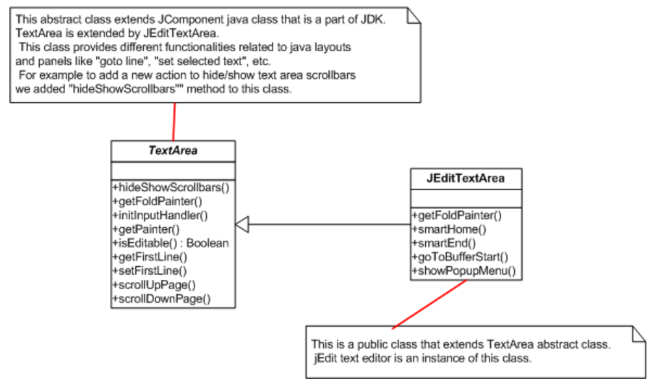

jEdit1
Group members: | Maryam Partovi, Suelin Gung
Software system:
 | jEdit, Change Request #1
Modified classes:
 | org\gjt\sp\jedit\menu\RecentFilesProvider.java
Time spent on this change request: | 195 minutes
Initiation | 30 min
Concept location | 95 min
Impact analysis | 30 min
Actualization | 20 min
Testing | 20 min
Process followed to implement the Change Request:
Initiation | 1. Look into jEdit documentation and readme 2 . Run jEdit program as is for the first time to observe existing behavior

Concept location | Search for Recent Files main menu. Navigate to and explore "jedit_gui.props" Look into recent files menu for Textfield item Navigate to and explore "RecentfilesProvider.java" Search for string match method with "Length" and "Match"

Impact analysis | 1-Marked the RecentFilesProvider class as impacted, because included match method. 2-Marked the jedit_gui.props as impacted, because all properties of options in menu are defined in this property file. F.g. Recent Fiels menu item.

Actualization | Modified class RecentFilesProvider: - Change "keyReleased" method. Modified jedit_gui.props : - Modified recent-files.textfield.tooltip

Testing | 1.run the app to verify that there are fiels with different names . 2.verify the app to match input string with the all the files that contain the string anywhere in their name. | ran testcase #1 - pass ran testcase #2 - pass
Additional information:
This change request requires implementing a feature which allows user to enter a text string from Recent Files main menu and be able to find the matching files previously saved on the begining part of the file name. Two classes are modifiedin to satisfy this change request: RecentFilesProvider and DynamicMenuProvider classes are marked as impacted. Search and match functions are updated. | 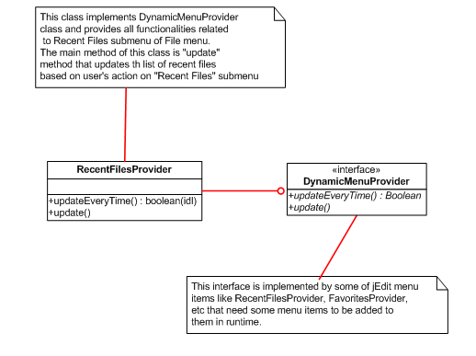

aTune2
Group members: | Maryam Partovi Suelin Gung
Software system:
 | aTunes Change Request #2
Modified classes:
 | src\net\sourceforge\atunes\gui\views\panels\PlayListControlsPanel.java translations\english.properties.
Time spent on this change request: | 380 minutes
Initiation | 35 min
Concept location | 215 min
Impact analysis | 60min
Actualization | 40 min
Testing | 30 min
Process followed to implement the Change Request:
Initiation | 1. Read the aTunes documentation

Concept location | Search for playlist panel in whole project. look into net.sourceforge.atunes.gui.views.panels classes starting with "checkbox" and "Show_X" navigate to and explore "PlayListControlsPanel" starting with "sort" and "add" to panel.

Impact analysis | 1. Marked "net.sourceforge.atunes.gui.views.panels" as impacted, because it includes all classes of panel.
 | 2. Marekd the "PlayListControlsPanel" class as impacted, because it includes "addContent()" ,getSortBy methods

Actualization | Modified PlayListControlsPanel clasee: - Defined private JCheckBoxMenuItem showDuration and added getSortByDuration() method - Modified addContent() method Added showDuration = new JCheckBoxMenuItem(LanguageTool.getString("SHOW_DURATION")) and added sortPopup.add(showDuration); Modified PlayListControlsListener class: - Modified actionPerformed method Modified PlayListController class: - Modified columnClicked method Modified PlayListControlsController class: - Modified addBindings method by adding panel.getShowDuration().addActionListener(listener); - Modified addStateBindings method Modified ApplicationState class - Added showDurationInPlayList attribute, isShowDurationInPlayList method and setShowDurationInPlayList method Modified PlayListTableModel class - Add setDurationVisible method Modified ApplicationDataHandler class - Modified applyState method Modified english properties: -Defined SHOW_DURATION=Show Duration

Testing | 1. run the app to verify "Show Duration" option in panel. 2. select "show duration" checkbox to verify showing duration in playlist table. 3. Deselect "show duration" checkbox to verify duration column disappearance. | ran testcase#1 - passed ran testcase#2 - passed ran testcase#3 - passed
Additional information:

This change request requires implementation to add the Show Duration option to the options menu of the Playlist panel and also to incorporate a new column in the Playlist panel that shows the location of the song. The column will display in the Spanish version with the name \Directorio" and in the English version with the name \Path File" after feature is implemented. PlayListControlPanel class is modified, new methods are added to accomplish this request. | 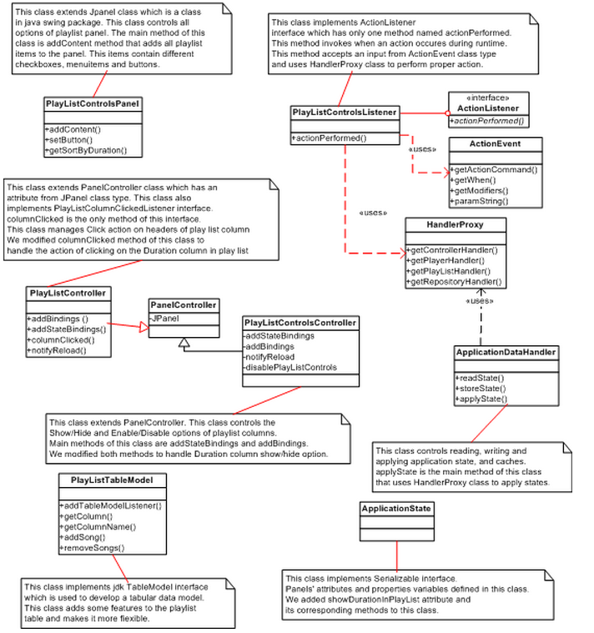

aTune1
Group members: | Maryam Partovi Suelin Gung
Software system:
 | aTunes Change Request #1
Modified classes:
 | src\net\sourceforge\atunes\kernel\handlers\PlayListHandler.java
Time spent on this change request: | 240 minutes
Initiation | 45 min
Concept location | 105 min
Impact analysis | 30 min
Actualization | 35 min
Testing | 25 min
Process followed to implement the Change Request:
Initiation | 1. Read the aTunes documentation 2. Run aTunes program as is for the first time to observe existing behavior

Concept location | 1. Search for "sort play list" 2. explore "PlayListHandler" starting with sort to find methods related to sorting play list. 3. look into play list comparator methods as result of query 2

Impact analysis | 1. Marked the PlayListHandler class as impacted, because the sort method for playlist is impelemented in this class and also comparator method is invoked using PlayListHandler class.

Actualization | Modified PlayListHandler.java: - Added method sortPlaylistByDuration() Added "PlayListDurationComparator" class

Testing | 1-Run the app to verify there ara a number of disordered audio file 2-Click Duration column header to verify the entries in the playlist are sorted in ascending order based on their duration | Ran testcase #1 - passed Ran testcase#2 - passed
Additional information:
This change request requires implementation to implement the changes so that when clicking on the Duration column header, the entries in the playlist are sorted in ascending order based on their duration. PlayListHandler class and PlayListDurationComparator classes are modified. | 